EDO_GA checklist
Essential Design Output (EDO) - GA Checklist
EDO # | Product Feature/Functions |  |  | Verification Reference from RTM | Verification Remarks | Design Elements Note: if susceptible to supplier/manufacturing variation |  |  |  | Component Specification and controlled by the supplier (CQR) if applicable | Risk Classification (HCLTech) | Recommendation & Remarks
 | Product Feature/ Functions | Reason Identified as EDO | RA&C and/or Sys-DFMEA Trace |  |  | EDO Location | EDO Description | Reason Identified as EDO | SYSDD or HDD Reference
EDO-29 | Airway clearance therapy | If the product airway clearance therapy does not function properly, it results in a medium safety risk identified in the RA&C. | NPD36702 Vest APX Risk Assessment and Control RA-180 NPD36706 Vest APX System FMEA FMEA Sys-147 Trace:NPD37819 MRS CU FMEA-381 - Blower Motor Overheating NPD37819 MRS CU FMEA-384 - Cooling fan doesn't work NPD37819 MRS CU FMEA-464 - APG motor overheating NPD37819 MRS CU FMEA-478 - Short circuit on the PSU NPD37819 MRS CU FMEA-515 - Material choice of the internal modules poor resistant to heat generated NPD37819 MRS CU FMEA-516 - APG overheating because of the friction between piston and metal cylinder | (DRS-570) Source: Vest APX System Verification Traceability Spreadsheet Rev 9 (2).xlsx | Location: NPD45678 Vest APX System Verification Traceability Report | File: Verification Data | Result: PASS |  | 210119 (metal cyl) | 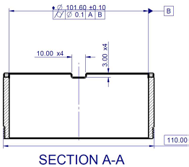 For 210119, the metal cylinder ID is controlled as below: | For this ID of metal cylinder 210119, it is part of critical dimension for controlling O-ring compression % in APG system. O-ring compression is important for controlling the pressure loss (min) and preventing too high torque that can cause system error (max). | NPD38119 Titan Hardware Detailed Design | None | High | Gap: The design verification reference corresponding to where the EDO is controlled has not been included in the existing EDO list. Verification Status: Design verification has been conducted for this EDO (EDO-29), and the corresponding reports are traced in the Verification Reference (Column E).
 |  |  |  |  |  | 210127 (piston) | 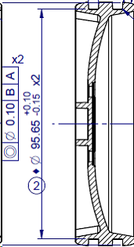 For 210127, the piston O-ring OD is controlled as below: | Same reason as ID of metal cylinder 210119, it is part of critical dimension for controlling O-ring compression % in APG system. | NPD38119 Titan Hardware Detailed Design | None
 |  |  |  |  |  | 210662 (o-ring) | 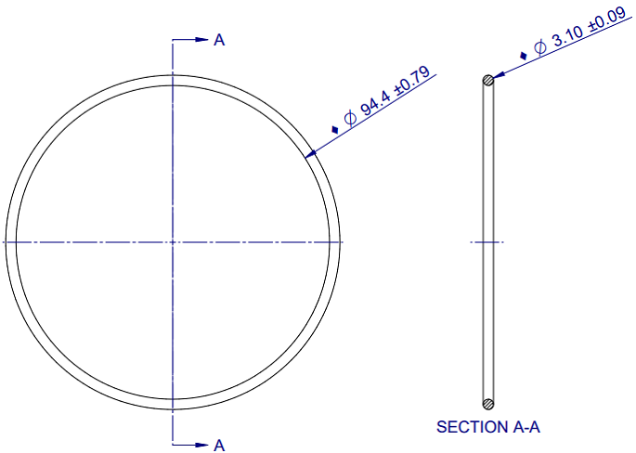 For 210662, the standard off the shelf O-ring are controlled as below: | Same reason as ID of metal cylinder 210119, it is part of critical dimension for controlling O-ring compression % in APG system. | NPD38119 Titan Hardware Detailed Design | None
 |  |  |  |  |  | 210120 (turn shaft) | 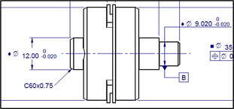 For 210120, the turn shaft dimension is controlled as below: | Dimension 12 and 9.02mm is for controlling motor shaft and APG mechanism alignment. It participated in stack up tolerance NPD39203 and are critical dimensions. It is important to minimize the misalignment to reduce excessive radial load acted to motor shaft and front bearing. | NPD38119 Titan Hardware Detailed Design | None
 |  |  |  |  |  | 214362 (flywheel) | 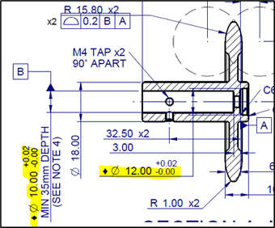 For 214362, Flywheel dimensions are controlled as below: | Diameter 10 and 12mm are for control alignment of APG mechanisms (at end of 12mm) to motor shaft (at end of 10mm). They are important to minimize the misalignment to reduce excessive radial load acted to motor shaft. | NPD38119 Titan Hardware Detailed Design | None
 |  |  |  |  |  | 213427 (APG housing) | 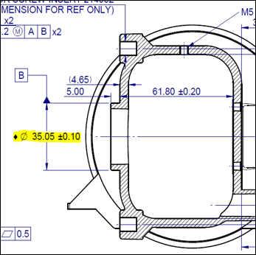 For 213427, the APG housing dimensions are controlled as below: | Diameter 35.05mm is for motor bracket to align to APG housing to control APG mechanism position. It participated in stack up tolerance NPD39203 and are critical dimensions. It is important to minimize the misalignment to reduce excessive radial load acted to motor shaft. | NPD38119 Titan Hardware Detailed Design | None
 |  |  |  |  |  | 214364 (bearing housing) | 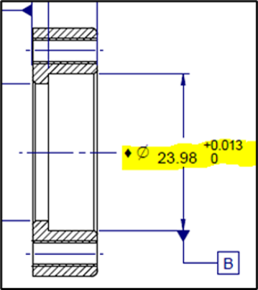 For 214364, the shaft bearing housing, diameter is controlled as below: | This dimension is for transition locational fitting of Front bearing. It is important to control the rotational smoothness of bearing and also prevent bearing from shifting axially during operation of APG. | NPD38119 Titan Hardware Detailed Design | None
 |  |  |  |  |  | 210121 (BLDC motor) | 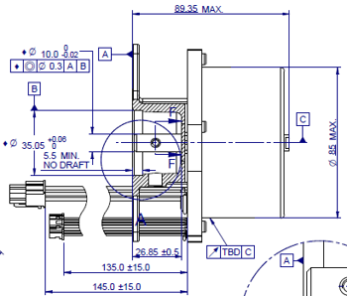 For 210121, the BLDC Motor, motor shaft diameter and the concentricity of the locating hole of the motor are controlled as below: | This dimension is for motor shaft and APG mechanism alignment. They participated in stack up tolerance as critical dimension. It is important to minimize the misalignment to reduce excessive radial load acted to motor shaft. | NPD38119 Titan Hardware Detailed Design | None
EDO-31 | Therapy pressure | If the product delivers low therapy pressure it results in a minor safety risk identified in the RA&C. | NPD36702 Vest APX Risk Assessment and Control RA-133 NPD36706 Vest APX System FMEA FMEA Sys-151 Trace:NPD40091 MRS ACC FMEA-11 - Enlargement of leaking hole over time. NPD40091 MRS ACC FMEA-373 - Failure of garment weld seam | (DRS-687, DRS-703) Source: Vest APX System Verification Traceability Spreadsheet Rev 9 (2).xlsx | Location: NPD45678 Rev 9 | File: Vest APX System Verification Traceability Report | Result: PASS |  | 210119 (metal cyl) | For 210119, the metal cylinder ID is controlled as below: | For this ID of metal cylinder 210119, it is part of critical dimension for controlling O-ring compression % in APG system. O-ring compression is important for controlling the pressure loss (min) and preventing too high torque that can cause system error (max). | NPD38119 Titan Hardware Detailed Design | None | High | Gap: The design verification reference corresponding to where the EDO is controlled has not been included in the existing EDO list. Verification Status: Design verification has been conducted for this EDO (EDO-31), and the corresponding reports are traced in the Verification Reference (Column E).
 |  |  |  |  |  | 210127 (piston) | For 210127, the piston O-ring OD is controlled as below: | Same reason as ID of metal cylinder 210119, it is part of critical dimension for controlling O-ring compression % in APG system. | NPD38119 Titan Hardware Detailed Design | None
 |  |  |  |  |  | 213427 (APG housing) | 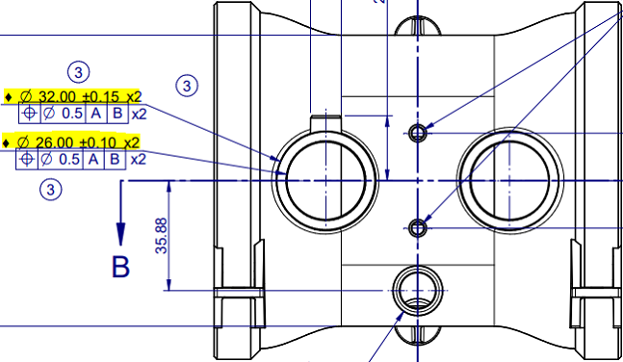 For 213427, the APG housing dimensions are controlled as below: | This dimension is required for controlling the fitting with hose connector part. For prevent excessive air loss during APG operation. | NPD38119 Titan Hardware Detailed Design | None
 |  |  |  |  |  | 212229 (magnet adaptor) | 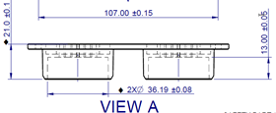 For 212229, the magnet adaptor dimension is controlled as below: | This dimension is required for controlling the fitting with hose connector part. For preventing excessive air loss during APG operation. | NPD38119 Titan Hardware Detailed Design | None
EDO-32 | Hose to control unit connection | If the hose to control unit connection does not function properly it results in a medium safety risk identified in the RA&C. | NPD36702 Vest APX Risk Assessment and Control RA-141 NPD36706 Vest APX System FMEA FMEA Sys-734 Trace:NPD37819 MRS CU FMEA-522 - Magnet failure at the air hose connector NPD40091 MRS ACC FMEA-380 - Damage of connector side | (MS CU Mod-536, MS CU Mod-538) Source: Vest APX Control Unit Module Verification Traceability Spreadsheet Rev 5.xlsx | Location: NPD42835 Rev 5 | File: Vest APX Control Unit Module Verification Traceability Report | Result: PASS (MS ACC Mod-220) Source: Vest APX GHA Verification Traceability Spreadsheet Rev 4.xlsx | Location: NPD42836 Rev 4 | File: Vest APX GHA Module Verification Traceability Report | Result: PASS |  | 212484 (CU front housing) | 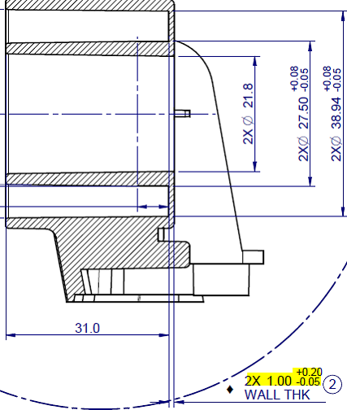 For 212484, the front housing dimension is controlled as below: | This dimension refers to the wall thickness of outlet ports on front housing 212484. The wall thickness affects penetration of magnetic flux that holds 211651 metal ring of hose during therapy. Magnetic force is sensitive to wall thickness, increases or decreases significantly over deviation. The dimension is controlled so that the hoses will stay in place during therapy, but not too hard for users, especially elder population, to disengage the hoses after therapy. | NPD38119 Titan Hardware Detailed Design | None | High | Gap: The design verification reference corresponding to where the EDO is controlled has not been included in the existing EDO list. Verification Status: Design verification has been conducted for this EDO (EDO-32), and the corresponding reports are traced in the Verification Reference (Column E).
 |  |  |  |  |  | 215090 (hose metal ring plastic sleeve) | 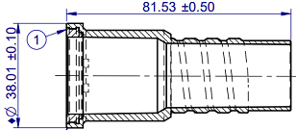 For 215090, the hose metal ring plastic sleeve dimension is controlled as below: | If part is Out of Specification- OD is too big, the hose cannot be inserted. Patient is unable to perform therapy. | NPD38119 Titan Hardware Detailed Design | None
 |  |  |  |  |  | 211651 (hose metal ring) |  For 211651, the hose metal ring dimension is controlled as below: | If part is Out of Specification- ID is too small, the hose cannot be inserted. Patient is unable to perform therapy. | NPD38119 Titan Hardware Detailed Design | None
 |  |  |  |  |  | 214409 (ring magnet) | 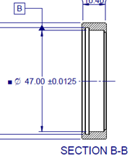 For 214409, the ring magnet holding force is controlled as below: ♦ 4. MAGNET HOLDING FORCE SPEC IS MINIMUM 2.5KG WEIGHT AND NOT MORE THAN 3.0KG WEIGHT, WHEN TESTED ACCORDING TO QS20570. | The dent or rust on surface could reduce the magnet force. If the magnet holding force is Out of Specification, holding force is too low, the hose cannot be held magnetically and stay connected to control unit. Patient is unable to perform therapy. | NPD38119 Titan Hardware Detailed Design | None
EDO-54 | Bladder assembly leakage rate | Bladder leakage rate affects the therapy pressure delivered to the patients. Higher than expected pressure may result patient’s intolerance of therapy. | NPD36702 Vest APX Risk Assessment and Control RA-124 |  |  | Inside all the Vest APX Garment Bladder – See notes in Drawing Part Number Involved Vest APX – Vest 215573 216872 215574 215575 216874 215577 215578 215579 215580 217994 217995 217996 217997 217998 217999 218000 218001 218002 Vest APX - Wrap 216926 216927 216928 216929 216930 217975 217976 217977 217978 217979 | 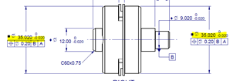 Leakage and Burst Strength spec is controlled as below Using Child XS as an example (Refer drawing number for details). Each size will have its own leakage rate. ♦ 6. ASSEMBLY SHALL MEET FLOW RATE LEAKAGE OF 274+50 LITRE PER MINUTE AT 1.38kPa [0.2+0.01PSI] REFERENCE TO QS20330 INSPECTION PROCEDURE. | Leakage affects pressure delivered. Leakage is controlled for a consistent therapy. Too low leakage may result the Max pressure exceeding the 1.1 PSI safety limit. | NPD38119 Titan Hardware Detailed Design | None | High | Gap: The design verification reference corresponding to where the EDO is controlled has not been included in the existing EDO list. Verification Status: Design verification has been conducted for this EDO (EDO-54), and the corresponding reports are traced in the Verification Reference (Column E).
EDO-55 | Bladder assembly burst strength | Bladder with lower burst strength may give way under therapy pressure and result severe leaking. The product is not able to deliver effective therapy to patients. | NPD36702 Vest APX Risk Assessment and Control RA-133 NPD36706 Vest APX System FMEA FMEA Sys-725 Trace:NPD40091 MRS ACC FMEA-11 - Enlargement of leaking hole over time. NPD40091 MRS ACC FMEA-373 - Failure of garment weld seam | (DRS-95) Source: Vest APX System Verification Traceability Spreadsheet Rev 9 (2).xlsx | Location: NPD45678 Rev 9 | File: Vest APX System Verification Traceability Report | Result: PASS (MS ACC Mod-413, MS ACC Mod-530, MS ACC Mod-555, MS ACC Mod-562) Source: Vest APX GHA Verification Traceability Spreadsheet Rev 4.xlsx | Location: NPD42836 Rev 4 | File: Vest APX GHA Module Verification Traceability Report | Result: PASS (MS ACC Mod-414, MS ACC Mod-498, MS ACC Mod-499, MS ACC Mod-556) Source: Vest APX GHA Verification Traceability Spreadsheet Rev 4.xlsx | Location: NPD42836 Rev 4 | File: Vest APX GHA Module Verification Traceability Report | Result: PASS |  | Inside all the Vest APX Garment Bladder – See notes in Drawing Part Number Involved Vest APX – Vest 215573 216872 215574 215575 216874 215577 215578 215579 215580 217994 217995 217996 217997 217998 217999 218000 218001 218002 Vest APX – Wrap 216926 216927 216928 216929 216930 217975 217976 217977 217978 217979 | Burst Strength is transparent across all the bladders for both Vest and Wrap ♦ 7. THE BLADDER ASSEMBLY SHALL HAVE A BURST STRENGTH OF AT LEAST 2.5 PSI. | Bladder with lower burst strength may give way under therapy pressure and results severe leaking. | NPD38119 Titan Hardware Detailed Design | None | High | Gap: The design verification reference corresponding to where the EDO is controlled has not been included in the existing EDO list. Verification Status: Design verification has been conducted for this EDO (EDO-55), and the corresponding reports are traced in the Verification Reference (Column E).
EDO-XX New | Power cord damage | Power cord damage | NPD36702 Vest APX Risk Assessment and Control RA-66 NPD36706 Vest APX System FMEA FMEA Sys-74 | (DRS-524, MS CU Mod-448) Source: Vest APX System Verification Traceability Spreadsheet Rev 9 (2).xlsx | Location: NPD45678 Vest APX System Verification Traceability Report | File: Vest APX System Verification Traceability Report | Result: PASS |  | 181995 | 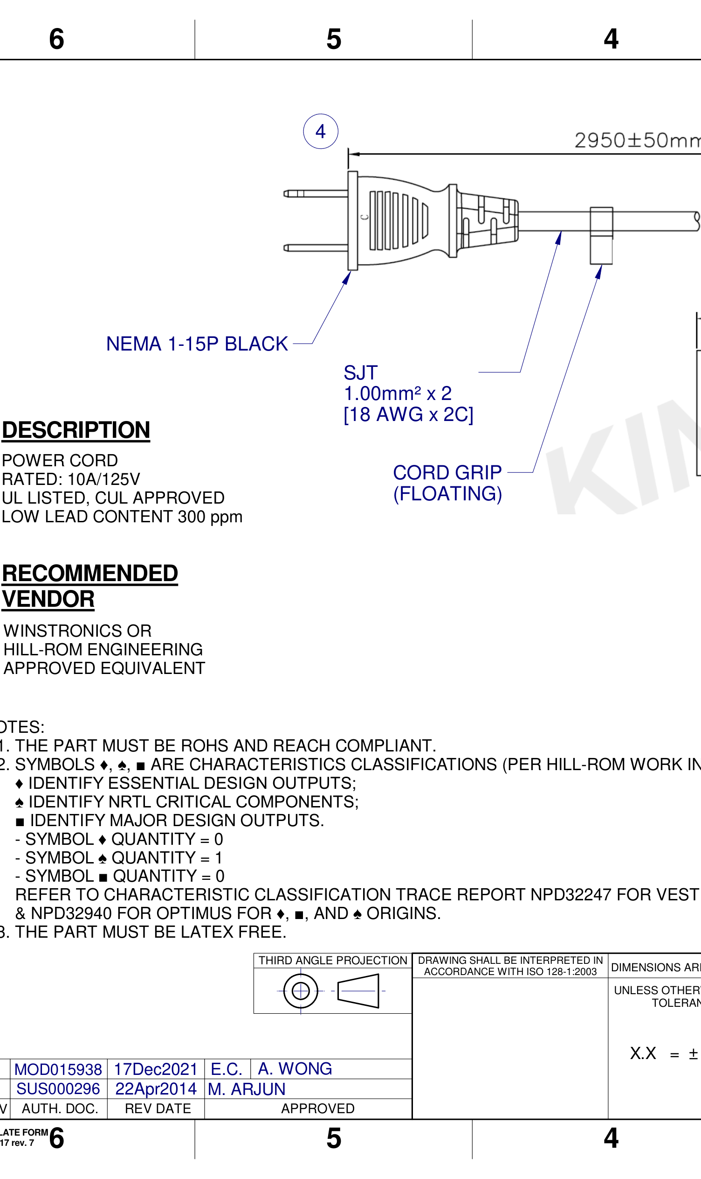 EDO Symbol needs to be updated in the power cord length. | Cord cable length of 3m decrease the possibility of loose connection of power cord to control unit | NPD38119 Titan Hardware Detailed Design | None | High | Gap: As identified in the Risk Assessment & Control (RA&C) and System DFMEA, this risk impacts the product’s functions and features. Therefore, it is classified as a new Essential Design Output (EDO) and must be incorporated into the existing EDO list. Verification Status: Design verification has been conducted for this EDO (EDO-XX New), and the corresponding reports are traced in the Verification Reference (Column E).
EDO-XX New | Leakage current at user touchable surface or I/O ports | Leakage current at user touchable surface or I/O ports | NPD36702 Vest APX Risk Assessment and Control RA-69 NPD36706 Vest APX System FMEA FMEA Sys-75 | (DRS-683, DRS-695, DRS-702) Source: Vest APX System Verification Traceability Spreadsheet Rev 9 (2).xlsx | Location: NPD45678 Rev 9 | File: Vest APX System Verification Traceability Report | Result: PASS |  | None | None | None | NPD38119 Titan Hardware Detailed Design | None | High | Gap: As identified in the Risk Assessment & Control (RA&C) and System DFMEA, this risk impacts the product’s functions and features. Therefore, it is classified as a new Essential Design Output (EDO) and must be incorporated into the existing EDO list. Verification Status: Design verification has been conducted for this EDO (EDO-XX New), and the corresponding reports are traced in the Verification Reference (Column E).
EDO-XX New | Handle cannot withstand load | Handle cannot withstand load | NPD36702 Vest APX Risk Assessment and Control RA-62 NPD36706 Vest APX System FMEA FMEA Sys-102 | (DRS-683, DRS-695, DRS-702) Source: Vest APX System Verification Traceability Spreadsheet Rev 9 (2).xlsx | Location: NPD45678 Rev 9 | File: Vest APX System Verification Traceability Report | Result: PASS |  | None | None | None | NPD38119 Titan Hardware Detailed Design | None | High | Gap: As identified in the Risk Assessment & Control (RA&C) and System DFMEA, this risk impacts the product’s functions and features. Therefore, it is classified as a new Essential Design Output (EDO) and must be incorporated into the existing EDO list. Verification Status: Design verification has been conducted for this EDO (EDO-XX New), and the corresponding reports are traced in the Verification Reference (Column E). Design: Update the handle design to include a load rating specification and ensure the material and dimensions are adequate to withstand the intended load.
EDO-XX New | Carrying case damaged | Carrying case damaged | NPD36702 Vest APX Risk Assessment and Control RA-64 NPD36706 Vest APX System FMEA FMEA Sys-188 | (MS ACC Mod-204) Source: Vest APX GHA Verification Traceability Spreadsheet Rev 4.xlsx | Location: NPD42836 Rev 4 | File: Vest APX GHA Module Verification Traceability Report | Result: PASS |  | None | None | None | NPD38119 Titan Hardware Detailed Design | None | Medium | Gap: As identified in the Risk Assessment & Control (RA&C) and System DFMEA, this risk impacts the product’s functions and features. Therefore, it is classified as a new Essential Design Output (EDO) and must be incorporated into the existing EDO list. Verification Status: Design verification has been conducted for this EDO (EDO-XX New), and the corresponding reports are traced in the Verification Reference (Column E).
EDO-XX New | Unintended mobilization of product | Unintended mobilization of product | NPD36702 Vest APX Risk Assessment and Control RA-105 NPD36706 Vest APX System FMEA FMEA Sys-184 |  |  | None | None | None | NPD38119 Titan Hardware Detailed Design | None | High | Gap: As identified in the Risk Assessment & Control (RA&C) and System DFMEA, this risk impacts the product’s functions and features. Therefore, it is classified as a new Essential Design Output (EDO) and must be incorporated into the existing EDO list. Verification Status: Design verification has been conducted for this EDO (EDO-XX New), and the corresponding reports are traced in the Verification Reference (Column E).
EDO-XX New | Excessive heat at enclosure | Excessive heat at enclosure | NPD36702 Vest APX Risk Assessment and Control RA-108 NPD36706 Vest APX System FMEA FMEA Sys-82 | (DRS-683, DRS-695, DRS-702) Source: Vest APX System Verification Traceability Spreadsheet Rev 9 (2).xlsx | Location: NPD45678 | File: Vest APX System Verification Traceability Report | Result: PASS (MS CU Mod-442) Source: Vest APX Control Unit Module Verification Traceability Spreadsheet Rev 5.xlsx | Location: NPD42835 | File: Titan Control Unit Module Verification Traceability Report | Result: PASS (MS CU Mod-559) Source: Vest APX Control Unit Module Verification Traceability Spreadsheet Rev 5.xlsx | Location: NPD42835 | File: Titan Control Unit Module Verification Traceability Report | Result: PASS (MS CU Mod-155) Source: Vest APX Control Unit Module Verification Traceability Spreadsheet Rev 5.xlsx | Location: NPD42835 | File: Titan Control Unit Module Verification Traceability Report | Result: PASS (MS CU Mod-374) Source: Vest APX Control Unit Module Verification Traceability Spreadsheet Rev 5.xlsx | Location: NPD42835 | File: Titan Control Unit Module Verification Traceability Report | Result: PASS (MS CU Mod-385) Source: Vest APX Control Unit Module Verification Traceability Spreadsheet Rev 5.xlsx | Location: NPD42835 | File: Titan Control Unit Module Verification Traceability Report | Result: PASS (MS CU Mod-379) Source: Vest APX Control Unit Module Verification Traceability Spreadsheet Rev 5.xlsx | Location: NPD42835 | File: Titan Control Unit Module Verification Traceability Report | Result: PASS |  | None | None | None | NPD38119 Titan Hardware Detailed Design | None | High | Gap: As identified in the Risk Assessment & Control (RA&C) and System DFMEA, this risk impacts the product’s functions and features. Therefore, it is classified as a new Essential Design Output (EDO) and must be incorporated into the existing EDO list. Verification Status: Design verification has been conducted for this EDO (EDO-XX New), and the corresponding reports are traced in the Verification Reference (Column E).
EDO-XX New | Fail to respond to user's commands. User unable to operate product momentarily. | Fail to respond to user's commands. User unable to operate product momentarily. | NPD36702 Vest APX Risk Assessment and Control RA-132 NPD36706 Vest APX System FMEA FMEA Sys-141 | (DRS-402) Source: Vest APX System Verification Traceability Spreadsheet Rev 9 (2).xlsx | Location: NPD45678 | File: Vest APX System Verification Traceability Report | Result: PASS |  | None | None | None | NPD38119 Titan Hardware Detailed Design | None | High | Gap: As identified in the Risk Assessment & Control (RA&C) and System DFMEA, this risk impacts the product’s functions and features. Therefore, it is classified as a new Essential Design Output (EDO) and must be incorporated into the existing EDO list. Verification Status: Design verification has been conducted for this EDO (EDO-XX New), and the corresponding reports are traced in the Verification Reference (Column E).
EDO-XX New | Failure Mode: Product delivers lower therapy output than intended | Failure Mode: Product delivers lower therapy output than intended | NPD36702 Vest APX Risk Assessment and Control RA-180 NPD36706 Vest APX System FMEA FMEA Sys-147 | (DRS-570) Source: Vest APX System Verification Traceability Spreadsheet Rev 9 (2).xlsx | Location: NPD45678 | File: Vest APX System Verification Traceability Report | Result: PASS |  | None | None | None | NPD38119 Titan Hardware Detailed Design | None | High | Gap: As identified in the Risk Assessment & Control (RA&C) and System DFMEA, this risk impacts the product’s functions and features. Therefore, it is classified as a new Essential Design Output (EDO) and must be incorporated into the existing EDO list. Verification Status: Design verification has been conducted for this EDO (EDO-XX New), and the corresponding reports are traced in the Verification Reference (Column E).
EDO-XX New | Hose ports allow large foreign objects to enter and occlude the air path. | Hose ports allow large foreign objects to enter and occlude the air path. | NPD36702 Vest APX Risk Assessment and Control RA-133 NPD36706 Vest APX System FMEA FMEA Sys-150 | (MS CU Mod-339) Source: Vest APX Control Unit Module Verification Traceability Spreadsheet Rev 5.xlsx | Location: NPD42835 Rev 5 | File: Vest APX Control Unit Module Traceability Report | Result: PASS (DRS-570, DRS-774) Source: Vest APX System Verification Traceability Spreadsheet Rev 9 (2).xlsx | Location: NPD45678 Rev 9 | File: Vest APX System Verification Traceability Report | Result: PASS |  | None | None | None | NPD38119 Titan Hardware Detailed Design | None | High | Gap: As identified in the Risk Assessment & Control (RA&C) and System DFMEA, this risk impacts the product’s functions and features. Therefore, it is classified as a new Essential Design Output (EDO) and must be incorporated into the existing EDO list. Verification Status: Design verification has been conducted for this EDO (EDO-XX New), and the corresponding reports are traced in the Verification Reference (Column E).
EDO-XX New | Control unit is unable to store device data in the absence of a power source. | Control unit is unable to store device data in the absence of a power source. | NPD36702 Vest APX Risk Assessment and Control RA-140 NPD36706 Vest APX System FMEA FMEA Sys-146 | (MS CU Mod-349) Source: Vest APX Control Unit Module Verification Traceability Spreadsheet Rev 5.xlsx | Location: NPD42835 Vest APX Control Unit Module Traceability Report | File: Vest APX Control Unit Module Verification Traceability Report | Result: PASS |  | None | None | None | NPD38119 Titan Hardware Detailed Design | None | High | Gap: As identified in the Risk Assessment & Control (RA&C) and System DFMEA, this risk impacts the product’s functions and features. Therefore, it is classified as a new Essential Design Output (EDO) and must be incorporated into the existing EDO list. Verification Status: Design verification has been conducted for this EDO (EDO-XX New), and the corresponding reports are traced in the Verification Reference (Column E).
EDO-XX New | Failure Mode: Corrupted data transmitted to server | Failure Mode: Corrupted data transmitted to server | NPD36702 Vest APX Risk Assessment and Control RA-453 NPD36706 Vest APX System FMEA FMEA Sys-149 | (SRS-CTRL-339, SRS-CTRL-346, SRS-CTRL-376, SRS-CTRL-408) Source: SW V&V Traceability Spreadsheet.xlsx | Location: NPD38845 Titan SW V&V Trace Matrix | File: Titan SW V&V Trace Matrix | Result: PASS |  | None | None | None | NPD38119 Titan Hardware Detailed Design | None | High | Gap: As identified in the Risk Assessment & Control (RA&C) and System DFMEA, this risk impacts the product’s functions and features. Therefore, it is classified as a new Essential Design Output (EDO) and must be incorporated into the existing EDO list. Verification Status: Design verification has been conducted for this EDO (EDO-XX New), and the corresponding reports are traced in the Verification Reference (Column E).
EDO-XX New | Excessive heat at enclosure | Excessive heat at enclosure | NPD36702 Vest APX Risk Assessment and Control RA-454 NPD36706 Vest APX System FMEA FMEA Sys-144 | (SRS-CTRL-339, SDRS-CTRL-346, SRS-CTRL-376, SRS-CTRL-408) Source: SW V&V Traceability Spreadsheet.xlsx | Location: NPD38845 Titan SW V&V Trace Matrix | File: Titan SW V&V Trace Matrix | Result: PASS |  | None | None | None | NPD38119 Titan Hardware Detailed Design | None | High | Gap: As identified in the Risk Assessment & Control (RA&C) and System DFMEA, this risk impacts the product’s functions and features. Therefore, it is classified as a new Essential Design Output (EDO) and must be incorporated into the existing EDO list. Verification Status: Design verification has been conducted for this EDO (EDO-XX New), and the corresponding reports are traced in the Verification Reference (Column E).
EDO-XX New | Power cord connection loosens due to repeated unplugging and plugging. | Power cord connection loosens due to repeated unplugging and plugging. | NPD36702 Vest APX Risk Assessment and Control RA-141 NPD36706 Vest APX System FMEA FMEA Sys-152 | (DRS-533) Source: Vest APX System Verification Traceability Spreadsheet Rev 9 (2).xlsx | Location: NPD45678 | File: Vest APX System Verification Traceability Report | Result: PASS |  | None | None | None | NPD38119 Titan Hardware Detailed Design | None | High | Gap: As identified in the Risk Assessment & Control (RA&C) and System DFMEA, this risk impacts the product’s functions and features. Therefore, it is classified as a new Essential Design Output (EDO) and must be incorporated into the existing EDO list. Verification Status: Design verification has been conducted for this EDO (EDO-XX New), and the corresponding reports are traced in the Verification Reference (Column E).
EDO-XX New | Connections in internal modules are unable to withstand shock and vibration. | Connections in internal modules are unable to withstand shock and vibration. | NPD36702 Vest APX Risk Assessment and Control RA-141 NPD36706 Vest APX System FMEA FMEA Sys-154 | (DRS-687, DRS-703) Source: Vest APX System Verification Traceability Spreadsheet Rev 9 (2).xlsx | Location: NPD45678 Rev 9 | File: Vest APX System Verification Traceability Report | Result: PASS |  | None | None | None | NPD38119 Titan Hardware Detailed Design | None | High | Gap: As identified in the Risk Assessment & Control (RA&C) and System DFMEA, this risk impacts the product’s functions and features. Therefore, it is classified as a new Essential Design Output (EDO) and must be incorporated into the existing EDO list. Verification Status: Design verification has been conducted for this EDO (EDO-XX New), and the corresponding reports are traced in the Verification Reference (Column E). Design: Update the design to reinforce connections in internal modules to ensure they can withstand shock and vibration. Add specifications for shock and vibration tolerance in the design documentation.
EDO-XX New | Product delivers low/no therapy pressure | Product delivers low/no therapy pressure | NPD36702 Vest APX Risk Assessment and Control RA-141 NPD36706 Vest APX System FMEA FMEA Sys-729 | (DRS-685, DRS-704, DRS-1024) Source: Vest APX System Verification Traceability Spreadsheet Rev 9 (2).xlsx | Location: NPD45678 Vest APX System Verification Traceability Report | File: EMC Test Results | Result: PASS |  | None | None | None | NPD38119 Titan Hardware Detailed Design | None | High | Gap: As identified in the Risk Assessment & Control (RA&C) and System DFMEA, this risk impacts the product’s functions and features. Therefore, it is classified as a new Essential Design Output (EDO) and must be incorporated into the existing EDO list. Verification Status: Design verification has been conducted for this EDO (EDO-XX New), and the corresponding reports are traced in the Verification Reference (Column E).
EDO-XX New | Product delivers low/no therapy pressure | Product delivers low/no therapy pressure | NPD36702 Vest APX Risk Assessment and Control RA-141 NPD36706 Vest APX System FMEA FMEA Sys-730 | (DRS-532) Source: Vest APX System Verification Traceability Spreadsheet Rev 9 (2).xlsx | Location: NPD45678 Vest APX System Verification Traceability Report | File: Titan System Verification Trace Matrix | Result: PASS |  | None | None | None | NPD38119 Titan Hardware Detailed Design | None | High | Gap: As identified in the Risk Assessment & Control (RA&C) and System DFMEA, this risk impacts the product’s functions and features. Therefore, it is classified as a new Essential Design Output (EDO) and must be incorporated into the existing EDO list. Verification Status: Design verification has been conducted for this EDO (EDO-XX New), and the corresponding reports are traced in the Verification Reference (Column E).
EDO-XX New | Product delivers low/no therapy pressure | Product delivers low/no therapy pressure | NPD36702 Vest APX Risk Assessment and Control RA-141 NPD36706 Vest APX System FMEA FMEA Sys-734 | (MS CU Mod-536, MS CU Mod-538) Source: Vest APX Control Unit Module Verification Traceability Spreadsheet Rev 5.xlsx | Location: NPD42835 Rev 5 | File: Vest APX Control Unit Module Verification Traceability Report | Result: PASS (MS ACC Mod-220) Source: Vest APX GHA Verification Traceability Spreadsheet Rev 4.xlsx | Location: NPD42836 Rev 4 | File: Vest APX GHA Module Verification Traceability Report | Result: PASS |  | None | None | None | NPD38119 Titan Hardware Detailed Design | None | High | Gap: As identified in the Risk Assessment & Control (RA&C) and System DFMEA, this risk impacts the product’s functions and features. Therefore, it is classified as a new Essential Design Output (EDO) and must be incorporated into the existing EDO list. Verification Status: Design verification has been conducted for this EDO (EDO-XX New), and the corresponding reports are traced in the Verification Reference (Column E).
EDO-XX New | Failure Mode: GUI damaged during transportation | Failure Mode: GUI damaged during transportation | NPD36702 Vest APX Risk Assessment and Control RA-455 NPD36706 Vest APX System FMEA FMEA Sys-731 | (DRS-651) Source: Vest APX System Verification Traceability Spreadsheet Rev 9 (2).xlsx | Location: NPD45678 Vest APX System Verification Traceability Report | File: ISTA 3B Standard Compliance Test Report | Result: PASS (MS CU Mod-380) Source: Vest APX Control Unit Module Verification Traceability Spreadsheet Rev 5.xlsx | Location: NPD42835 Titan Control Unit Module Traceability Report | File: Titan Control Unit Connector Locking Mechanism Test Report | Result: PASS |  | None | None | None | NPD38119 Titan Hardware Detailed Design | None | High | Gap: As identified in the Risk Assessment & Control (RA&C) and System DFMEA, this risk impacts the product’s functions and features. Therefore, it is classified as a new Essential Design Output (EDO) and must be incorporated into the existing EDO list. Verification Status: Design verification has been conducted for this EDO (EDO-XX New), and the corresponding reports are traced in the Verification Reference (Column E).
EDO-XX New | GUI module not working due to Touch screen failure | GUI module not working due to Touch screen failure | NPD36702 Vest APX Risk Assessment and Control RA-455 NPD36706 Vest APX System FMEA FMEA Sys-744 |  |  | None | None | None | NPD38119 Titan Hardware Detailed Design | None | High | Gap: As identified in the Risk Assessment & Control (RA&C) and System DFMEA, this risk impacts the product’s functions and features. Therefore, it is classified as a new Essential Design Output (EDO) and must be incorporated into the existing EDO list. Verification Status: Design verification has been conducted for this EDO (EDO-XX New), and the corresponding reports are traced in the Verification Reference (Column E).
EDO-XX New | Internal modules malfunction | Internal modules malfunction | NPD36702 Vest APX Risk Assessment and Control RA-486 NPD36706 Vest APX System FMEA FMEA Sys-748 | (SRS-CTRL-130, SRS-CTRL-118) Source: SW V&V Traceability Spreadsheet.xlsx | Location: NPD38845 Titan SW V&V Trace Matrix | File: Titan SW V&V Trace Matrix | Result: PASS |  | None | None | None | NPD38119 Titan Hardware Detailed Design | None | High | Gap: As identified in the Risk Assessment & Control (RA&C) and System DFMEA, this risk impacts the product’s functions and features. Therefore, it is classified as a new Essential Design Output (EDO) and must be incorporated into the existing EDO list. Verification Status: Design verification has been conducted for this EDO (EDO-XX New), and the corresponding reports are traced in the Verification Reference (Column E).
EDO-XX New | Excessive heat at enclosure | Excessive heat at enclosure | NPD36702 Vest APX Risk Assessment and Control RA-486 NPD36706 Vest APX System FMEA FMEA Sys-749 | (SRS-CTRL-118) Source: SW V&V Traceability Spreadsheet.xlsx | Location: NPD38845 Titan SW V&V Trace Matrix | File: Titan SW Verification Trace | Result: PASS |  | None | None | None | NPD38119 Titan Hardware Detailed Design | None | High | Gap: As identified in the Risk Assessment & Control (RA&C) and System DFMEA, this risk impacts the product’s functions and features. Therefore, it is classified as a new Essential Design Output (EDO) and must be incorporated into the existing EDO list. Verification Status: Design verification has been conducted for this EDO (EDO-XX New), and the corresponding reports are traced in the Verification Reference (Column E).
EDO-XX New | Incorrect/corrupted software packages | Incorrect/corrupted software packages | NPD36702 Vest APX Risk Assessment and Control RA-178 NPD36706 Vest APX System FMEA FMEA Sys-735 | (DRS-625) Source: Vest APX System Verification Traceability Spreadsheet Rev 9 (2).xlsx | Location: NPD45678 Vest APX System Verification Traceability Report | File: NPD45678 Vest APX System Verification Traceability Report | Result: PASS |  | None | None | None | NPD38119 Titan Hardware Detailed Design | None | High | Gap: As identified in the Risk Assessment & Control (RA&C) and System DFMEA, this risk impacts the product’s functions and features. Therefore, it is classified as a new Essential Design Output (EDO) and must be incorporated into the existing EDO list. Verification Status: Design verification has been conducted for this EDO (EDO-XX New), and the corresponding reports are traced in the Verification Reference (Column E).
EDO-XX New | Garment fails due to over-pressure and generates loud sound | Garment fails due to over-pressure and generates loud sound | NPD36702 Vest APX Risk Assessment and Control RA-437 NPD36706 Vest APX System FMEA FMEA Sys-92 | (DRS-402) Source: Vest APX System Verification Traceability Spreadsheet Rev 9 (2).xlsx | Location: NPD45678 | File: Vest APX System Verification Traceability Report | Result: PASS (DRS-566) Source: Vest APX System Verification Traceability Spreadsheet Rev 9 (2).xlsx | Location: NPD45678 | File: Vest APX System Verification Traceability Report | Result: PASS |  | None | None | None | NPD38119 Titan Hardware Detailed Design | None | High | Gap: As identified in the Risk Assessment & Control (RA&C) and System DFMEA, this risk impacts the product’s functions and features. Therefore, it is classified as a new Essential Design Output (EDO) and must be incorporated into the existing EDO list. Verification Status: Design verification has been conducted for this EDO (EDO-XX New), and the corresponding reports are traced in the Verification Reference (Column E).
EDO-XX New | APG motor is overdriven and generates loud sound | APG motor is overdriven and generates loud sound | NPD36702 Vest APX Risk Assessment and Control RA-437 NPD36706 Vest APX System FMEA FMEA Sys-747 |  |  | None | None | None | NPD38119 Titan Hardware Detailed Design | None | High | Gap: As identified in the Risk Assessment & Control (RA&C) and System DFMEA, this risk impacts the product’s functions and features. Therefore, it is classified as a new Essential Design Output (EDO) and must be incorporated into the existing EDO list. Verification Status: Design verification has been conducted for this EDO (EDO-XX New), and the corresponding reports are traced in the Verification Reference (Column E).
EDO-XX New | Excessive heat at enclosure | Excessive heat at enclosure | NPD36702 Vest APX Risk Assessment and Control RA-508 NPD36706 Vest APX System FMEA FMEA Sys-750 | (DRS-683, DRS-695, DRS-702) Source: Vest APX System Verification Traceability Spreadsheet Rev 9 (2).xlsx | Location: NPD45678 Rev 9 | File: Vest APX System Verification Traceability Report | Result: PASS\n(SRS-CTRL-365, SRS-CTRL-368, SRS-CTRL-422, SRS-CTRL-423, SRS-CTRL-424, SRS-CTRL-549, SRS-CTRL-556, SRS-CTRL-557, SRS-CTRL-332) Source: SW V&V Traceability Spreadsheet.xlsx | Location: NPD38845 Rev 3 | File: Titan SW V&V Trace Matrix | Result: PASS |  | None | None | None | NPD38119 Titan Hardware Detailed Design | None | High | Gap: As identified in the Risk Assessment & Control (RA&C) and System DFMEA, this risk impacts the product’s functions and features. Therefore, it is classified as a new Essential Design Output (EDO) and must be incorporated into the existing EDO list. Verification Status: Design verification has been conducted for this EDO (EDO-XX New), and the corresponding reports are traced in the Verification Reference (Column E).
EDO-XX New | Excessive heat at enclosure | Excessive heat at enclosure | NPD36702 Vest APX Risk Assessment and Control RA-509 NPD36706 Vest APX System FMEA FMEA Sys-750 | (DRS-683, DRS-695, DRS-702) Source: Vest APX System Verification Traceability Spreadsheet Rev 9 (2).xlsx | Location: NPD45678 Rev 9 | File: Vest APX System Verification Traceability Report | Result: PASS\n(SRS-CTRL-365, SRS-CTRL-368, SRS-CTRL-422, SRS-CTRL-423, SRS-CTRL-424, SRS-CTRL-549, SRS-CTRL-556, SRS-CTRL-557, SRS-CTRL-332) Source: SW V&V Traceability Spreadsheet.xlsx | Location: NPD38845 Rev 3 | File: Titan SW V&V Trace Matrix | Result: PASS |  | None | None | None | NPD38119 Titan Hardware Detailed Design | None | High | Gap: As identified in the Risk Assessment & Control (RA&C) and System DFMEA, this risk impacts the product’s functions and features. Therefore, it is classified as a new Essential Design Output (EDO) and must be incorporated into the existing EDO list. Verification Status: Design verification has been conducted for this EDO (EDO-XX New), and the corresponding reports are traced in the Verification Reference (Column E).
EDO-XX New | Excessive heat at enclosure | Excessive heat at enclosure | NPD36702 Vest APX Risk Assessment and Control RA-508 NPD36706 Vest APX System FMEA FMEA Sys-750 | (DRS-683, DRS-695, DRS-702) Source: Vest APX System Verification Traceability Spreadsheet Rev 9 (2).xlsx | Location: NPD45678 Rev 9 | File: Vest APX System Verification Traceability Report | Result: PASS (SRS-CTRL-365, SRS-CTRL-368, SRS-CTRL-422, SRS-CTRL-423, SRS-CTRL-424, SRS-CTRL-549, SRS-CTRL-556, SRS-CTRL-557, SRS-CTRL-332) Source: SW V&V Traceability Spreadsheet.xlsx | Location: NPD38845 Rev 3 | File: Titan SW V&V Trace Matrix | Result: PASS |  | None | None | None | NPD38119 Titan Hardware Detailed Design | None | High | Gap: As identified in the Risk Assessment & Control (RA&C) and System DFMEA, this risk impacts the product’s functions and features. Therefore, it is classified as a new Essential Design Output (EDO) and must be incorporated into the existing EDO list. Verification Status: Design verification has been conducted for this EDO (EDO-XX New), and the corresponding reports are traced in the Verification Reference (Column E).
EDO-XX New | Excessive heat at enclosure | Excessive heat at enclosure | NPD36702 Vest APX Risk Assessment and Control RA-509 NPD36706 Vest APX System FMEA FMEA Sys-750 | (DRS-683, DRS-695, DRS-702) Source: Vest APX System Verification Traceability Spreadsheet Rev 9 (2).xlsx | Location: NPD45678 Rev 9 | File: Vest APX System Verification Traceability Report | Result: PASS\n(SRS-CTRL-365, SRS-CTRL-368, SRS-CTRL-422, SRS-CTRL-423, SRS-CTRL-424, SRS-CTRL-549, SRS-CTRL-556, SRS-CTRL-557, SRS-CTRL-332) Source: SW V&V Traceability Spreadsheet.xlsx | Location: NPD38845 Rev 3 | File: Titan SW V&V Trace Matrix | Result: PASS |  | None | None | None | NPD38119 Titan Hardware Detailed Design | None | High | Gap: As identified in the Risk Assessment & Control (RA&C) and System DFMEA, this risk impacts the product’s functions and features. Therefore, it is classified as a new Essential Design Output (EDO) and must be incorporated into the existing EDO list. Verification Status: Design verification has been conducted for this EDO (EDO-XX New), and the corresponding reports are traced in the Verification Reference (Column E).
EDO-XX New | Excessive heat at enclosure | Excessive heat at enclosure | NPD36702 Vest APX Risk Assessment and Control RA-508 NPD36706 Vest APX System FMEA FMEA Sys-750 | (DRS-683, DRS-695, DRS-702) Source: Vest APX System Verification Traceability Spreadsheet Rev 9 (2).xlsx | Location: NPD45678 Rev 9 | File: Vest APX System Verification Traceability Report | Result: PASS\n(SRS-CTRL-365, SRS-CTRL-368, SRS-CTRL-422, SRS-CTRL-423, SRS-CTRL-424, SRS-CTRL-549, SRS-CTRL-556, SRS-CTRL-557, SRS-CTRL-332) Source: SW V&V Traceability Spreadsheet.xlsx | Location: NPD38845 Rev 3 | File: Titan SW V&V Trace Matrix | Result: PASS |  | None | None | None | NPD38119 Titan Hardware Detailed Design | None | High | Gap: As identified in the Risk Assessment & Control (RA&C) and System DFMEA, this risk impacts the product’s functions and features. Therefore, it is classified as a new Essential Design Output (EDO) and must be incorporated into the existing EDO list. Verification Status: Design verification has been conducted for this EDO (EDO-XX New), and the corresponding reports are traced in the Verification Reference (Column E).
EDO-XX New | Excessive heat at enclosure | Excessive heat at enclosure | NPD36702 Vest APX Risk Assessment and Control RA-509 NPD36706 Vest APX System FMEA FMEA Sys-750 | (DRS-683, DRS-695, DRS-702) Source: Vest APX System Verification Traceability Spreadsheet Rev 9 (2).xlsx | Location: NPD45678 Rev 9 | File: Vest APX System Verification Traceability Report | Result: PASS\n(SRS-CTRL-365, SRS-CTRL-368, SRS-CTRL-422, SRS-CTRL-423, SRS-CTRL-424, SRS-CTRL-549, SRS-CTRL-556, SRS-CTRL-557, SRS-CTRL-332) Source: SW V&V Traceability Spreadsheet.xlsx | Location: NPD38845 Rev 3 | File: Titan SW V&V Trace Matrix | Result: PASS |  | None | None | None | NPD38119 Titan Hardware Detailed Design | None | High | Gap: As identified in the Risk Assessment & Control (RA&C) and System DFMEA, this risk impacts the product’s functions and features. Therefore, it is classified as a new Essential Design Output (EDO) and must be incorporated into the existing EDO list. Verification Status: Design verification has been conducted for this EDO (EDO-XX New), and the corresponding reports are traced in the Verification Reference (Column E).

